BLOSSOM ACADEMY


Charts
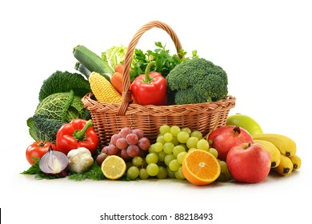
Total Sales Per Months
 | Total
<1/6/2016
Jan | $89,663
Feb | $62,762
Mar | $104,566
Apr | $49,474
May | $203,339
Jun | $51,600
Jul | $80,735
Aug | $68,994
Sep | $102,433
Oct | $52,615
Nov | $73,740
Dec | $89,813
 | Fruit | Vegetables | (blank)
Australia | $91,221 | $40,492
Canada | $82,338 | $12,407
France | $125,931 | $15,125
Germany | $66,430 | $88,738
New Zealand | $62,392 | $4,390
United Kingdom | $87,786 | $85,351
United States | $176,971 | $90,162
(blank)
TOTAL ORDERS PER COUNTRY AND PRODUCT
 | Apple | Banana | Beans | Cabbage | Carrots | Mango | Orange | (blank)
Australia | 4 | 10 | 3 | 2 | 3 | 2 | 3
Canada | 6 | 7 |  | 3 |  | 1 | 3
France | 16 | 7 | 1 | 1 | 1 | 1 | 1
Germany | 2 | 9 | 6 | 8 | 6 | 1 | 1
New Zealand | 2 | 8 |  | 1 |  |  | 3
United Kingdom | 4 | 7 | 2 | 8 | 7 | 1 | 5
United States | 6 | 23 | 1 | 4 | 10 | 5 | 8
(blank)
RRODUCT PER total ORDERs
 | Total
Apple | 40
Banana | 71
Beans | 13
Cabbage | 27
Carrots | 27
Mango | 11
Orange | 24
(blank)
$1,029,734
TOTAL SALES
213
TOTAL ORDERS
7
COUNTRIES
sales dashboard: HEALTHY LIFE market
$4,834
AVERAGE SALES

